Hiearchy View
CLASS: TEST EQUIPMENT
equipment required to perform a test equipment- an instrumentality needed for an undertaking or to perform a service |  | 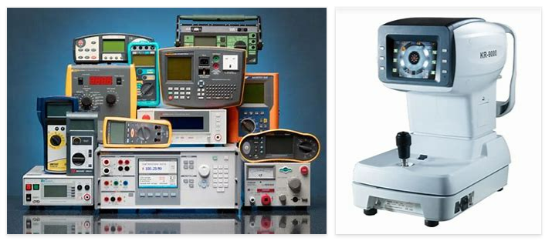
REMOVE | N

PROBLEM_DESC | CAUSE_DESC | REMEDY_DESC
BROKEN/DAMAGED
LIGHTING
NOISE
OTHER PROBLEM
OVERHEATING
POWER-ELEC
STOPPED/SLOWED/POOR OPS
TEMP-CTRL
VIBRATION
Grand Total

